גיליון1
command | a | b | c | bool.exp. | b!=0 | a>c
a=10; | 10
b=1; | 10 | 1
c=3; | 10 | 1 | 3
while(b!=0) | 10 | 1 | 3 | TRUE | TRUE
a=a%6; | 4 | 1 | 3
b=(a>c)?b:(b-1); | 4 | 1 | 3 | TRUE |  | TRUE
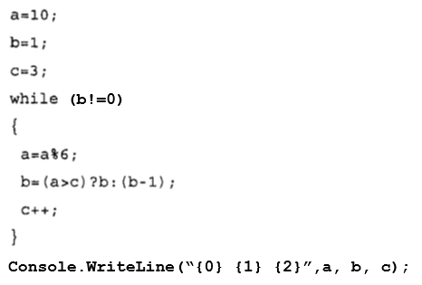
פלט
4 0 5
c++; | 4 | 1 | 4
while(b!=0) | 4 | 1 | 4 | TRUE | TRUE
a=a%6; | 4 | 1 | 4
b=(a>c)?b:(b-1); | 4 | 0 | 4 | FALSE |  | FALSE
c++; | 4 | 0 | 5
while(b!=0) | 4 | 0 | 5 | FALSE | FALSE
Console.WriteLine(…)

